Sheet1
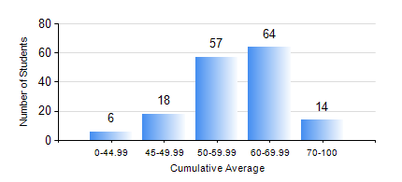
 |  |  | KWAME NKRUMAH UNIVERSITY OF SCIENCE AND TECHNOLOGY, KUMASI Department of Materials Engineering

 |  |  | BSC. MATERIALS ENG.

 |  |  | COMPREHENSIVE RECORD OF EXAMINATION RESULTS

 |  |  | RESULTS OF YEAR 2 SECOND SEMESTER, 2021/2022 ACADEMIC YEAR

 | Sn | Course Code |  | Course Name | Credit Hours | Min. Mark | Max. Mark | Avg. Mark | Std. Dev. | No. Passed | No. Trailed | No. (Df) | No. (I) | No. (I*) | No. Tagged(I,I*,Df) | Total
 | 0. |  |  |  |  |  |  | 0 | 0 | 0 | 0 | 0 | 0 | 0 | 0 | 5
 | 1. | MATH 252 |  | CALCULUS WITH SEVERAL VARIABLES | 4 | 18 | 89 | 62 | 11.18 | 152 | 2 | 0 | 0 | 0 | 0 | 154
 | 2. | MSE 252 |  | HEAT AND MASS TRANSPORT | 3 | 5 | 91 | 53 | 13.6 | 133 | 20 | 0 | 1 | 0 | 1 | 154
 | 3. | MSE 254 |  | MATERIALS PROCESSING | 3 | 16 | 84 | 57 | 13.42 | 140 | 13 | 0 | 1 | 0 | 1 | 154
 | 4. | MSE 256 |  | ENVIRONMENTAL SCIENCE | 2 | 14 | 92 | 55 | 10.24 | 150 | 3 | 0 | 1 | 0 | 1 | 154
 | 5. | MSE 258 |  | PHYSICAL METALLURGY OF NON-FERROUS METALS | 2 | 11 | 88 | 58 | 10.5 | 148 | 5 | 0 | 1 | 0 | 1 | 154
 | 6. | MSE 260 |  | PHASE TRANSFORMATIONS | 2 | 2 | 98 | 46 | 18.82 | 118 | 35 | 0 | 1 | 0 | 1 | 154
 | 7. | MSE 262 |  | COMPUTER PROGRAMMING AND APPLICATIONS | 2 | 16 | 81 | 55 | 12.25 | 151 | 2 | 0 | 1 | 0 | 1 | 154

